Experiment 1.A
n | (3/2)^n | n^3 | sqrt(log n) | log n | ln n | log(log n) | n^(2^n) | nlogn | 2^n | n!
0 | 1 | 0 | #NAME? | #NUM! | #NUM! | #NAME? | 0 | #NAME? | 1 | 1
1 | 1.5 | 1 | 0 | 0 | 0 | #NUM! | 1 | 0 | 2 | 1
2 | 2.25 | 8 | 0.55 | 0.3 | 0.69 | -0.37 | 1.11 | 0.6 | 4 | 2
NAME Sakshi.D.Lonare
UID 2021300069
DIV SY Comps A
DAA EXPT 1 – A
DATE OF PERFORMANCE : 1/02/23
3 | 3.38 | 27 | 0.69 | 0.48 | 1.1 | 0.09 | 1.18 | 1.43 | 8 | 6
4 | 5.06 | 64 | 0.78 | 0.6 | 1.39 | 0.33 | 1.23 | 2.41 | 16 | 24
5 | 7.59 | 125 | 0.84 | 0.7 | 1.61 | 0.48 | 1.27 | 3.49 | 32 | 120
6 | 11.39 | 216 | 0.88 | 0.78 | 1.79 | 0.58 | 1.31 | 4.67 | 64 | 720
7 | 17.09 | 343 | 0.92 | 0.85 | 1.95 | 0.67 | 1.34 | 5.92 | 128 | 5040
8 | 25.63 | 512 | 0.95 | 0.9 | 2.08 | 0.73 | 1.37 | 7.22 | 256 | 40320
9 | 38.44 | 729 | 0.98 | 0.95 | 2.2 | 0.79 | 1.39 | 8.59 | 512 | 362880
10 | 57.67 | 1000 | 1 | 1 | 2.3 | 0.83 | 1.41 | 10 | 1024 | 3628800
11 | 86.5 | 1331 | 1.02 | 1.04 | 2.4 | 0.87 | 1.43 | 11.46 | 2048 | 39916800
12 | 129.75 | 1728 | 1.04 | 1.08 | 2.48 | 0.91 | 1.45 | 12.95 | 4096 | 479001600
13 | 194.62 | 2197 | 1.06 | 1.11 | 2.56 | 0.94 | 1.47 | 14.48 | 8192 | 6227020800
14 | 291.93 | 2744 | 1.07 | 1.15 | 2.64 | 0.97 | 1.49 | 16.05 | 16384 | 87178291200
15 | 437.89 | 3375 | 1.08 | 1.18 | 2.71 | 1 | 1.5 | 17.64 | 32768 | 1307674368000
16 | 656.84 | 4096 | 1.1 | 1.2 | 2.77 | 1.02 | 1.52 | 19.27 | 65536 | 20922789888000
17 | 985.26 | 4913 | 1.11 | 1.23 | 2.83 | 1.04 | 1.53 | 20.92 | 131072 | 355687428096000
18 | 1477.89 | 5832 | 1.12 | 1.26 | 2.89 | 1.06 | 1.55 | 22.59 | 262144 | 6.4023737057E+15
19 | 2216.84 | 6859 | 1.13 | 1.28 | 2.94 | 1.08 | 1.56 | 24.3 | 524288 | 1.2164510041E+17
20 | 3325.26 | 8000 | 1.14 | 1.3 | 3 | 1.1 | 1.57 | 26.02 | 1048576 | 2.4329020082E+18
21 | 4987.89 | 9261 | 1.15 | 1.32 | 3.04 | 1.11 | 1.58 | 27.77 | 2097152
22 | 7481.83 | 10648 | 1.16 | 1.34 | 3.09 | 1.13 | 1.59 | 29.53 | 4194304
23 | 11222.74 | 12167 | 1.17 | 1.36 | 3.14 | 1.14 | 1.6 | 31.32 | 8388608
24 | 16834.11 | 13824 | 1.17 | 1.38 | 3.18 | 1.16 | 1.61 | 33.13 | 16777216
25 | 25251.17 | 15625 | 1.18 | 1.4 | 3.22 | 1.17 | 1.62 | 34.95 | 33554432
26 | 37876.75 | 17576 | 1.19 | 1.41 | 3.26 | 1.18 | 1.63 | 36.79 | 67108864
27 | 56815.13 | 19683 | 1.2 | 1.43 | 3.3 | 1.19 | 1.64 |  | 134217728
28 | 85222.7 | 21952 | 1.2 | 1.45 | 3.33 | 1.2 | 1.65 |  | 268435456
29 | 127834.04 | 24389 | 1.21 | 1.46 | 3.37 | 1.21 | 1.66 |  | 536870912
30 | 191751.06 | 27000 | 1.22 | 1.48 | 3.4 | 1.22 | 1.67 |  | 1073741824
31 | 287626.59 | 29791 | 1.22 | 1.49 | 3.43 | 1.23 | 1.68 |  | 2147483648
32 | 431439.88 | 32768 | 1.23 | 1.51 | 3.47 | 1.24 | 1.68 |  | 4294967296
33 | 647159.81 | 35937 | 1.23 | 1.52 | 3.5 | 1.25 | 1.69 |  | 8589934592
34 | 970739.75 | 39304 | 1.24 | 1.53 | 3.53 | 1.26 | 1.7 |  | 17179869184
 | nlogn
 | 0
 | 0
 | 0.6
 | 1.43
 | 2.41
 | 3.49
 | 4.67
 | 5.92
 | 7.22
 | 8.59
 | 10
 | 11.46
 | 12.95
 | 14.48
 | 16.05
 | 17.64
 | 19.27
 | 20.92
 | 22.59
 | 24.3
 | 26.02
 | 27.77
 | 29.53
 | 31.32
 | 33.13
 | 34.95
 | 36.79
35 | 1456109.62 | 42875 | 1.24 | 1.54 | 3.56 | 1.27 | 1.71 |  | 34359738368
36 | 2184164.5 | 46656 | 1.25 | 1.56 | 3.58 | 1.28 | 1.71 |  | 68719476736
37 | 3276246.5 | 50653 | 1.25 | 1.57 | 3.61 | 1.28 | 1.72 |  | 137438953472
38 | 4914370 | 54872 | 1.26 | 1.58 | 3.64 | 1.29 | 1.73 |  | 274877906944
39 | 7371555 | 59319 | 1.26 | 1.59 | 3.66 | 1.3 | 1.74 |  | 549755813888
40 | 11057332 | 64000 | 1.27 | 1.6 | 3.69 | 1.31 | 1.74 |  | 1099511627776
41 | 16585998 | 68921 | 1.27 | 1.61 | 3.71 | 1.31 | 1.75 |  | 2199023255552
42 | 24878998 | 74088 | 1.27 | 1.62 | 3.74 | 1.32 | 1.76 |  | 4398046511104
43 | 37318496 | 79507 | 1.28 | 1.63 | 3.76 | 1.32 | 1.76 |  | 8796093022208
44 | 55977744 | 85184 | 1.28 | 1.64 | 3.78 | 1.33 | 1.77 |  | 17592186044416
45 | 83966616 | 91125 | 1.29 | 1.65 | 3.81 | 1.34 | 1.77 |  | 35184372088832
46 | 125949928 | 97336 | 1.29 | 1.66 | 3.83 | 1.34 | 1.78 |  | 70368744177664
47 | 188924896 | 103823 | 1.29 | 1.67 | 3.85 | 1.35 | 1.79 |  | 140737488355328
48 | 283387328 | 110592 | 1.3 | 1.68 | 3.87 | 1.35 | 1.79 |  | 281474976710656
49 | 425080992 | 117649 | 1.3 | 1.69 | 3.89 | 1.36 | 1.8 |  | 562949953421312
50 | 637621504 | 125000 | 1.3 | 1.7 | 3.91 | 1.36 | 1.8 |  | 1.1258999068E+15
51 | 956432256 | 132651 | 1.31 | 1.71 | 3.93 | 1.37 | 1.81 |  | 2.2517998137E+15
52 | 1434648320 | 140608 | 1.31 | 1.72 | 3.95 | 1.37 | 1.81 |  | 4.5035996274E+15
53 | 2151972608 | 148877 | 1.31 | 1.72 | 3.97 | 1.38 | 1.82 |  | 9.0071992547E+15
54 | 3227958784 | 157464 | 1.32 | 1.73 | 3.99 | 1.38 | 1.82 |  | 1.8014398509E+16
55 | 4841938432 | 166375 | 1.32 | 1.74 | 4.01 | 1.39 | 1.83 |  | 3.6028797019E+16
56 | 7262907392 | 175616 | 1.32 | 1.75 | 4.03 | 1.39 | 1.83 |  | 7.2057594038E+16
57 | 10894361600 | 185193 | 1.33 | 1.76 | 4.04 | 1.4 | 1.84 |  | 1.4411518808E+17
58 | 16341541888 | 195112 | 1.33 | 1.76 | 4.06 | 1.4 | 1.84 |  | 2.8823037615E+17
59 | 24512313344 | 205379 | 1.33 | 1.77 | 4.08 | 1.41 | 1.85 |  | 5.764607523E+17
60 | 36768468992 | 216000 | 1.33 | 1.78 | 4.09 | 1.41 | 1.85 |  | 1.1529215046E+18
61 | 55152701440 | 226981 | 1.34 | 1.79 | 4.11 | 1.41 | 1.86 |  | 2.3058430092E+18
62 | 82729058304 | 238328 | 1.34 | 1.79 | 4.13 | 1.42 | 1.86 |  | 4.6116860184E+18
63 | 124093579264 | 250047 | 1.34 | 1.8 | 4.14 | 1.42 | 1.87 |  | 9.2233720369E+18
64 | 186140377088 | 262144 | 1.34 | 1.81 | 4.16 | 1.43 | 1.87 |  | 1.8446744074E+19
65 | 279210557440 | 274625 | 1.35 | 1.81 | 4.17 | 1.43 | 1.87 |  | 3.6893488147E+19
66 | 418815836160 | 287496 | 1.35 | 1.82 | 4.19 | 1.43 | 1.88 |  | 7.3786976295E+19
67 | 628223770624 | 300763 | 1.35 | 1.83 | 4.2 | 1.44 | 1.88 |  | 1.4757395259E+20
68 | 942335655936 | 314432 | 1.35 | 1.83 | 4.22 | 1.44 | 1.89 |  | 2.9514790518E+20
69 | 1413503516672 | 328509 | 1.36 | 1.84 | 4.23 | 1.44 | 1.89 |  | 5.9029581036E+20
70 | 2120255143936 | 343000 | 1.36 | 1.85 | 4.25 | 1.45 | 1.9 |  | 1.1805916207E+21
71 | 3180382650368 | 357911 | 1.36 | 1.85 | 4.26 | 1.45 | 1.9 |  | 2.3611832414E+21
72 | 4770574106624 | 373248 | 1.36 | 1.86 | 4.28 | 1.45 | 1.9 |  | 4.7223664829E+21
73 | 7155861159936 | 389017 | 1.37 | 1.86 | 4.29 | 1.46 | 1.91 |  | 9.4447329657E+21
74 | 10733792264192 | 405224 | 1.37 | 1.87 | 4.3 | 1.46 | 1.91 |  | 1.8889465931E+22
75 | 16100687347712 | 421875 | 1.37 | 1.88 | 4.32 | 1.46 | 1.92 |  | 3.7778931863E+22
76 | 24151031021568 | 438976 | 1.37 | 1.88 | 4.33 | 1.47 | 1.92 |  | 7.5557863726E+22
77 | 36226547580928 | 456533 | 1.37 | 1.89 | 4.34 | 1.47 | 1.92 |  | 1.5111572745E+23
78 | 54339821371392 | 474552 | 1.38 | 1.89 | 4.36 | 1.47 | 1.93 |  | 3.022314549E+23
79 | 81509729959936 | 493039 | 1.38 | 1.9 | 4.37 | 1.47 | 1.93 |  | 6.0446290981E+23
80 | 122264599134208 | 512000 | 1.38 | 1.9 | 4.38 | 1.48 | 1.93 |  | 1.2089258196E+24
81 | 183396898701312 | 531441 | 1.38 | 1.91 | 4.39 | 1.48 | 1.94 |  | 2.4178516392E+24
82 | 275095339663360 | 551368 | 1.38 | 1.91 | 4.41 | 1.48 | 1.94 |  | 4.8357032785E+24
83 | 412643009495040 | 571787 | 1.39 | 1.92 | 4.42 | 1.49 | 1.94 |  | 9.6714065569E+24
84 | 618964514242560 | 592704 | 1.39 | 1.92 | 4.43 | 1.49 | 1.95 |  | 1.9342813114E+25
85 | 928446771363840 | 614125 | 1.39 | 1.93 | 4.44 | 1.49 | 1.95 |  | 3.8685626228E+25
86 | 1.3926701235E+15 | 636056 | 1.39 | 1.93 | 4.45 | 1.49 | 1.96 |  | 7.7371252455E+25
87 | 2.0890052523E+15 | 658503 | 1.39 | 1.94 | 4.47 | 1.5 | 1.96 |  | 1.5474250491E+26
88 | 3.1335080127E+15 | 681472 | 1.39 | 1.94 | 4.48 | 1.5 | 1.96 |  | 3.0948500982E+26
89 | 4.7002618849E+15 | 704969 | 1.4 | 1.95 | 4.49 | 1.5 | 1.97 |  | 6.1897001964E+26
90 | 7.0503928273E+15 | 729000 | 1.4 | 1.95 | 4.5 | 1.5 | 1.97 |  | 1.2379400393E+27
91 | 1.0575589241E+16 | 753571 | 1.4 | 1.96 | 4.51 | 1.51 | 1.97 |  | 2.4758800786E+27
92 | 1.5863383325E+16 | 778688 | 1.4 | 1.96 | 4.52 | 1.51 | 1.98 |  | 4.9517601571E+27
93 | 2.3795076598E+16 | 804357 | 1.4 | 1.97 | 4.53 | 1.51 | 1.98 |  | 9.9035203143E+27
94 | 3.5692612749E+16 | 830584 | 1.4 | 1.97 | 4.54 | 1.51 | 1.98 |  | 1.9807040629E+28
95 | 5.3538919123E+16 | 857375 | 1.41 | 1.98 | 4.55 | 1.52 | 1.98 |  | 3.9614081257E+28
96 | 8.0308380832E+16 | 884736 | 1.41 | 1.98 | 4.56 | 1.52 | 1.99 |  | 7.9228162514E+28
97 | 1.2046257125E+17 | 912673 | 1.41 | 1.99 | 4.57 | 1.52 | 1.99 |  | 1.5845632503E+29
98 | 1.8069386117E+17 | 941192 | 1.41 | 1.99 | 4.58 | 1.52 | 1.99 |  | 3.1691265006E+29
99 | 2.7104078316E+17 | 970299 | 1.41 | 2 | 4.6 | 1.52 | 2 |  | 6.3382530011E+29

Details
NAME Sakshi.D.Lonare
UID 2021300069
DIV SY Comps A
DAA EXPT 1 – A
DATE OF PERFORMANCE : 1/02/23
AIM :-
To implement the various functions e.g. linear, non-linear, quadratic, exponential etc and plot their 2D graph.
GRAPHS AND OBSERVATION :-
1) n 2) (3/2)^n
This graph, shows a linear growth in the values of y-axis with x The y values show a drastic exponential increase
after 85

3) n^3
graph shows a parabolic increase in the curve
4) sqrt(log n)
rises to a parabolic curve after 3 and upto 100. value of y is seen linear up to 1 but changes occur slowly after 1.2
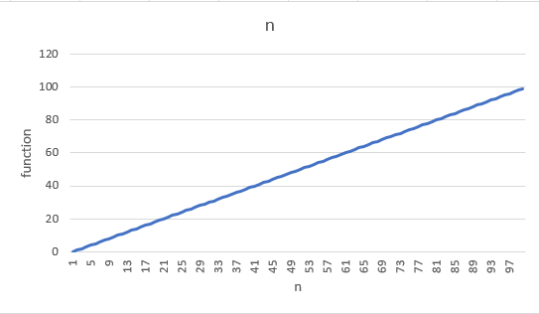
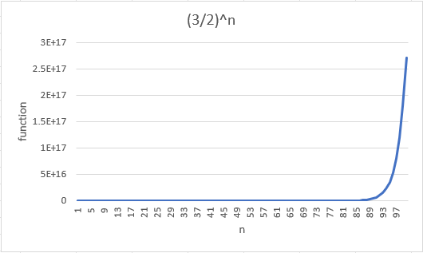
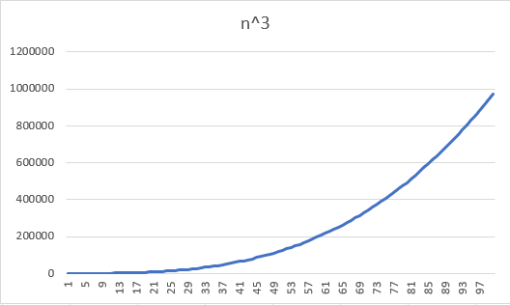
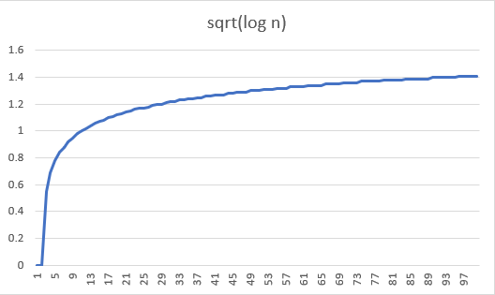

7)log(log n)
A slight fluctuation is seen in the graph from the x values of 1-5 , but from 5 onwards a parabolic rise occurs
8) n^(2^n)
A fast change in y values for a few constant values of x from 1, but y values slowly increase after 5 of x
5)log n
rises to a parabolic curve after 3 . The values of y show slow changes after 1.5
6) ln n
A parabolic graph, changes occur slowly with the values of n after 2.5
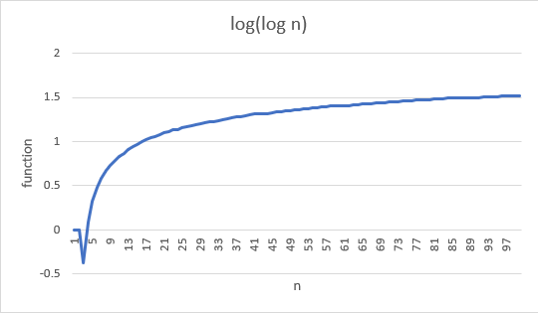
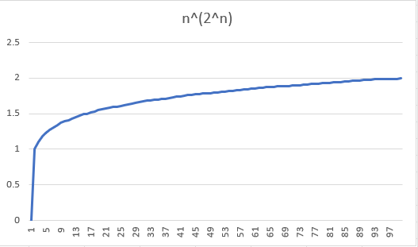
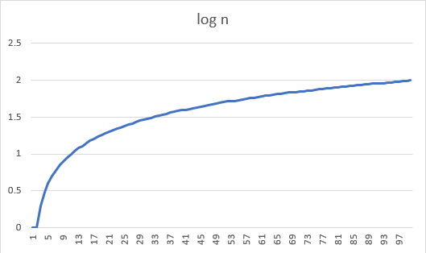
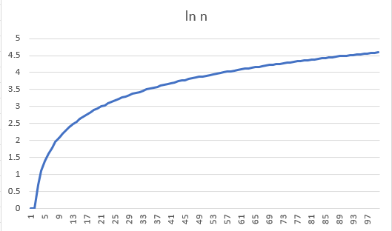

9) nlogn
The y values are only upto x=30 for n values. For the rest, the y values are deemed as non existent
10)2^n
The y value shows an exponential increase after x=90 only
11)n!
A linear rise is seen in values of y between x=19 to x=20. The linear growth suddenly rises after x=20
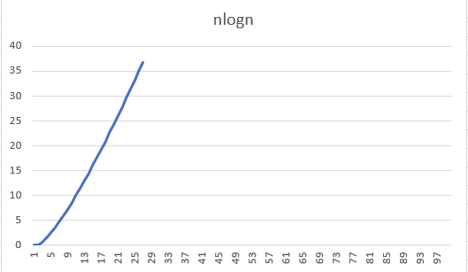
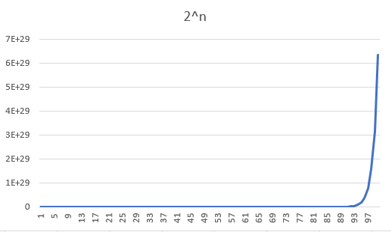
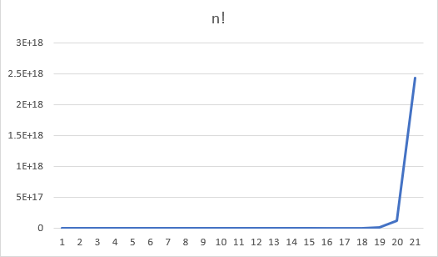

Conclusion :- I learnt from the above experiment to implement various functions in c language. From the plotted graphs i understood that there will be various values or ranges of y and for every value of x which is the domain there is one value of y.

